Dashboard

ROAD ACCIDENTS (2019) DASHBOARD
Total Accidents

82781
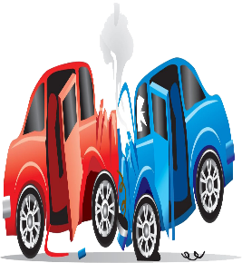

JUNCTION WISE ACCIDENTS
RANKS
DEATH
ACCIDENT
31
12

71
T-JUNCTION
Y-JUNCTION
85
FOUR ARM-JUNCTION
114
STAGGERED JUNCTION
101
ROUND-JUNCTION
91
OTHER ACCIDENTS
623


MINOR INJURIES
 | Total
Y-Junction Minor Injury | 42
Four Junction Minor Injury | 45
Other Minor Injury | 57
Staggered Junction Minor Injury | 40
T-Junction Minor Injury | 29
PEOPLE KILLED
 | Total
Y-Junction Persons Killed | 34
Fourth Junction Persons Killed | 29
Round Junction Persons Killed | 28
Staggered Junction Persons Killed | 46
T-Junction Persons Killed | 52
Other Killed | 427
 | Total Accidents | Persons Killed
Agra | 1085 | 616
Ahmedabad | 1375 | 439
Allahabad(Prayagraj) | 1413 | 599
Amritsar | 133 | 95
Asansol Durgapur | 446 | 313




`

TOTAL INJUIES
 | Total
Y-Junction Total Injured | 88
Four Junction Total Injured | 96
Round Junction Total Injured | 71
Staggered Junction Total Injured | 97
T-Junction Total Injured | 56
Other Total Injured | 524
GREVIOUSLY INJURED
 | Total
Y-Junction Greviously Injured | 46
Fourth Junction Greviously Injured | 51
Round Junction Greviously Injured | 34
Staggered Junction Greviously Injured | 57
T-Junction Greviously Injured | 27
Other Greviously Injured | 467
FILTER

